Sizing
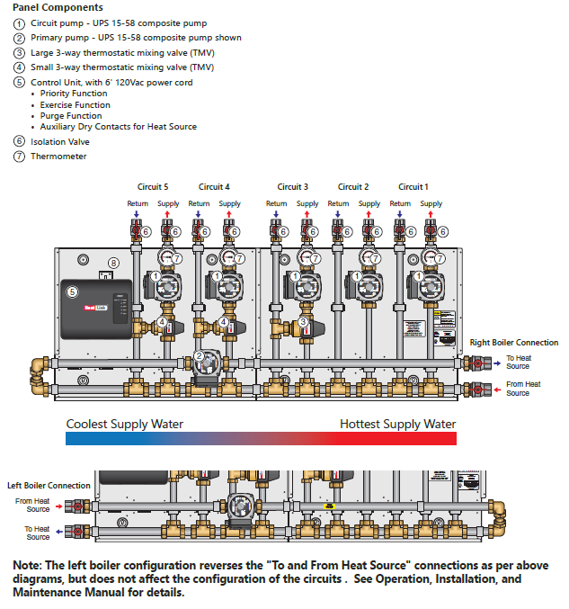
TMP-MULTI Pricing Calculator
Use this worksheet to size the panel and check that your project requirements are within the panel capabilities.
Use the "Configuration Known" worksheet if the panel configuration is already known.
The TMP-Multi supports up to a maximum of five (5) circuits in total, or a maximum of 100,000 to 300,000 BTUs total load depending on primary pump selection.
The TMP-Multi is configurable for left or right boiler feed connections. The panel comes with an accessory pack so the installer can choose which side to make the boiler connections. See diagram for flow direction details.
First Steps
Select the applicable country.
Select the type of thermostat connection.
Secondary Circuit Input
Select the circuit type of each circuit. Start with a DHW if needed, then Hi Temp circuits, then Low Temp circuits. Max. one (1) DHW circuit. Max. two (2) Hi Temp circuits. Max. five (5) Low Temp circuits.
Enter the flow rate in gpm and head loss in ft for each circuit. Get this information from the system designer / equipment manufacturer. For Low Temp circuits, the calculator will select a small or large thermostatic mixing valve (TMV) depending on the head.
Optional: Enter a label for each circuit. The circuits may be reordered and the label will help identify the circuits.
Primary Circuit Input
Select whether a primary pump is required.
The flow rate is the sum of the secondary circuit flow rates, excluding the DHW circuit if applicable.
Enter the primary circuit headloss outside the panel (i.e. heat source and piping). Get this information from the system designer / equipment manufacturer.
Results
The table shows the panel configuration.
The SKU, description, and list price are below the table.
If needed, enter a multiplier to calculate the net price.
It is recommended to create a printed copy or PDF for your records.

Select Country | Canada
Effective Date | 2023-07-01
Thermostat Connection | Wired

Data Entry
 |  | Secondary Circuit Input
 | Label | A | B | C | D | E
 | Select Circuit Type | None | None | None | None | None
 | Enter Flow Rate (gpm)
 | Enter Head Loss (ft)
 | Head Available (ft)
 | Head Excess (ft)
 | TMV Head Loss (ft) based on entered flow rate:
 | Small TMV
 | Large TMV
 | Max. Flow (gpm) based on entered circuit head loss:
 | Small TMV
 | Large TMV

 |  | Primary Circuit Input
 | Pump Required? | No |  | Please check the following:
 | Flow Rate (gpm) | 0 |  | Configure at least two circuits.
 | Enter Head Loss (ft)
 | Head Available (ft)
 | Head Excess (ft)

Results
 |  | Secondary Circuit Configuration
Sku Part# | Descriptions |  | 5 | 4 | 3 | 2 | 1

n/a | None |  |  |  |  |  | n/a
D | DHW |  | n/a | n/a | n/a | n/a
H | Hi Temp |  | n/a | n/a
L | Low Temp (Lrg. TMV)
S | Low Temp (Sm. TMV)
P | Primary Pump | Select
0 | None
1 | UPS15-58
2 | UPS26-99
3 | UPS26-150

SKU
Description | Please correct the error(s) above.
List Price |  | CAD
Multiplier
Net Price |  | CAD

Configuration Known
TMP-MULTI Pricing Calculator
Use this worksheet if the panel configuration is already known.
Use the "Sizing" worksheet to check that your project requirements are within the panel capabilities.
Use the table below to select your panel configuration.
Select your applicable Country
Select the type of thermostat connection.
Select a Primary Pump based on your system requirements
The TMP-Multi supports up to a maximum of five (5) circuits in total, or a maximum of 100,000 to 300,000 BTUs total load depending on primary pump selection.
Work from right to left in selecting the Secondary Circuit Configuration.
If required, select a DHW circuit. This will provide domestic hot water priority to your system.
Select up to two (2) Hi Temp circuits.
Select up to a total of five (5) Low Temp circuits, depending on how many Hi Temp circuits were selected. Select (L)arge circuits first, then (S)mall circuits.
The TMP Multi is configurable for left or right boiler feed connections. The panel comes with an accessory pack so the installer can choose which side to make the boiler connections. See diagram for flow direction details.

Select Country | Canada
Effective Date | 2023-07-01
Thermostat Connection | Wired

 |  | Secondary Circuit Configuration
Sku Part# | Descriptions |  | 5 | 4 | 3 | 2 | 1 | List Price | Qty | Ext. List
n/a | None |  |  |  |  |  | n/a
D | DHW |  | n/a | n/a | n/a | n/a |  | $1,052.00 | 1 | $1,052.00
H | Hi Temp |  | n/a | n/a |  |  |  | $1,052.00 | 0 | $0.00
L | Low Temp (Lrg. TMV) |  |  |  |  |  |  | $1,682.00 | 0 | $0.00
S | Low Temp (Sm. TMV) |  |  |  |  |  |  | $1,531.00 | 0 | $0.00
P | Primary Pump | Select
0 | None |  |  | Configure at least two circuits. |  |  |  | $2,167.00 | 1 | $2,167.00
1 | UPS15-58 |  |  |  |  |  |  | $2,600.00 | 0 | $0.00
2 | UPS26-99 |  |  |  |  |  |  | $3,765.00 | 0 | $0.00
3 | UPS26-150 |  |  |  |  |  |  | $5,936.00 | 0 | $0.00

 |  |  |  |  |  |  | Wired | $0.00 | 1 | $0.00
 |  |  |  |  |  |  | Wireless | $410.00 | 0 | $0.00

 |  |  |  |  |  |  |  |  | Total | $3,219.00

SKU
Description | Please correct the error(s) above.
List Price |  | CAD
Multiplier
Net Price |  | CAD

